tables1
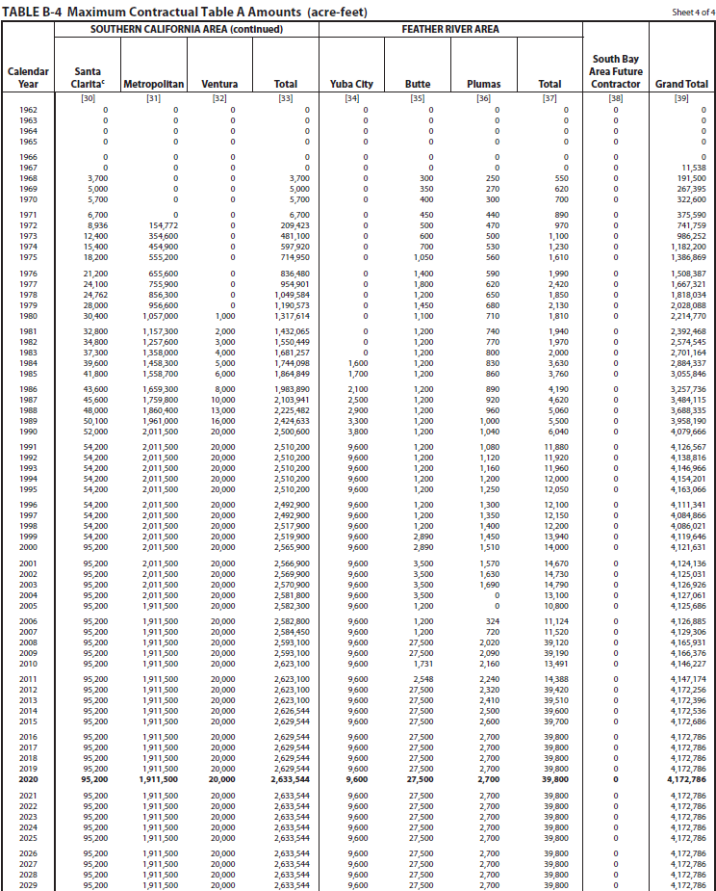

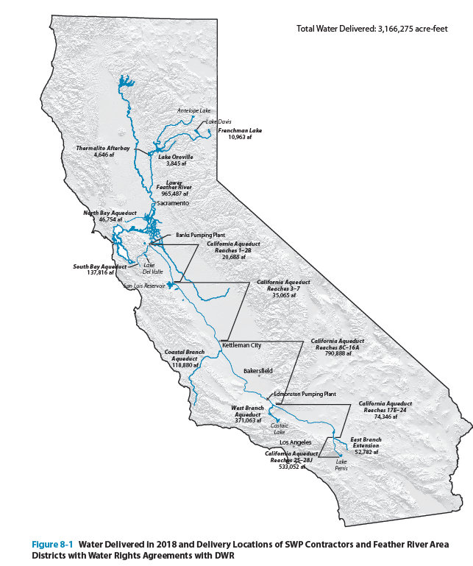

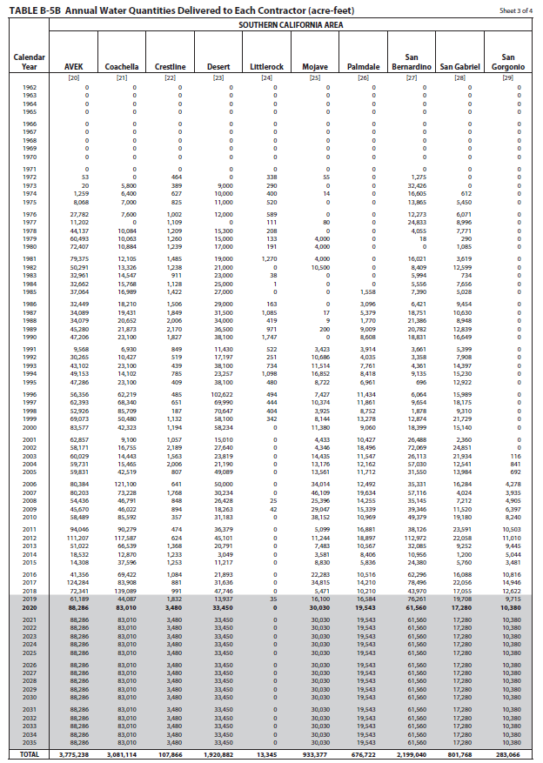
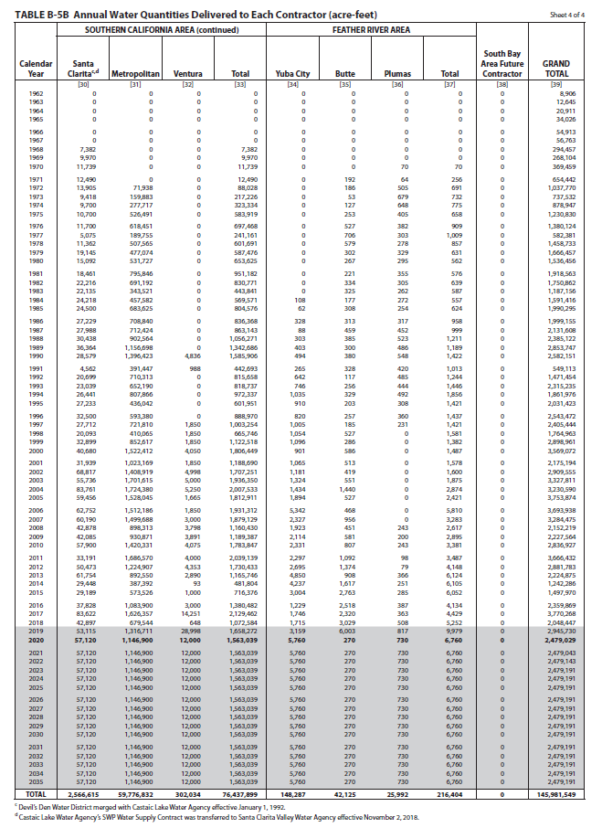

tables2
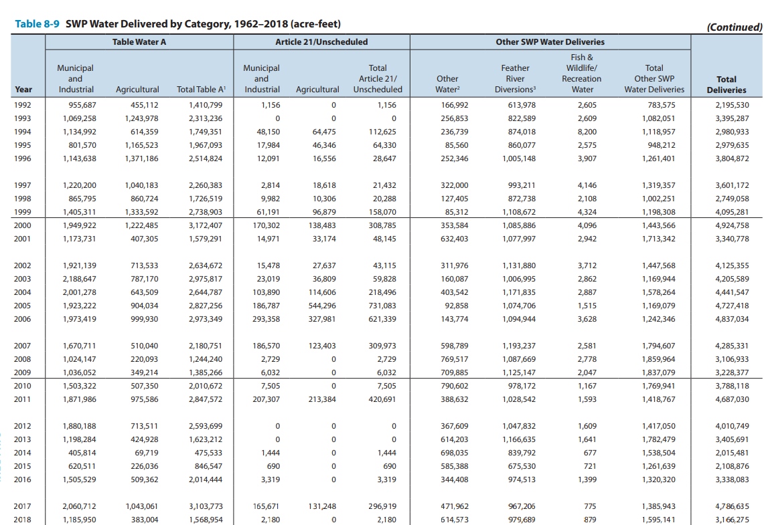
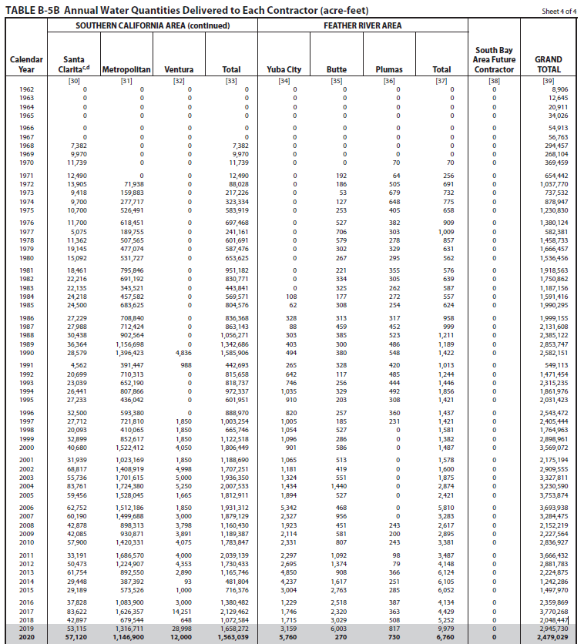
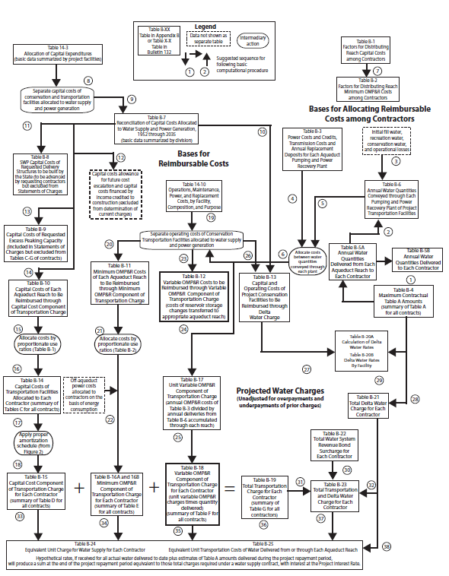
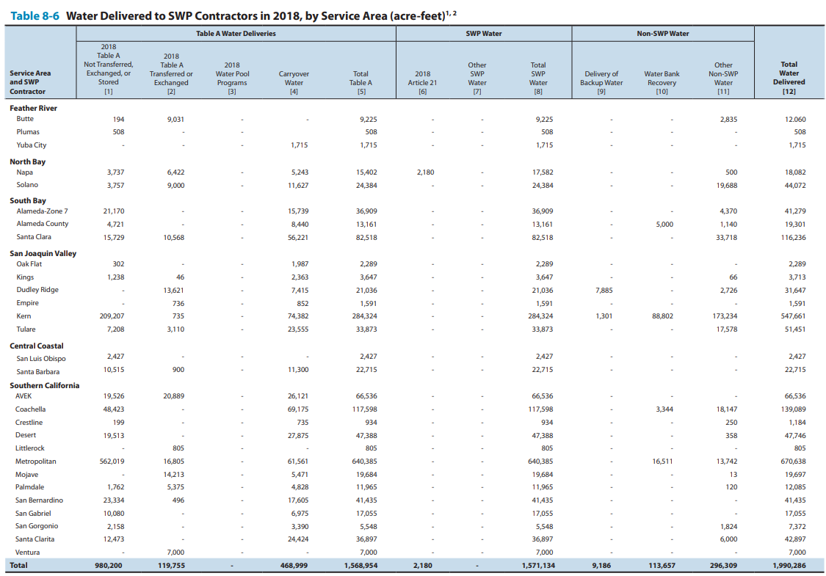
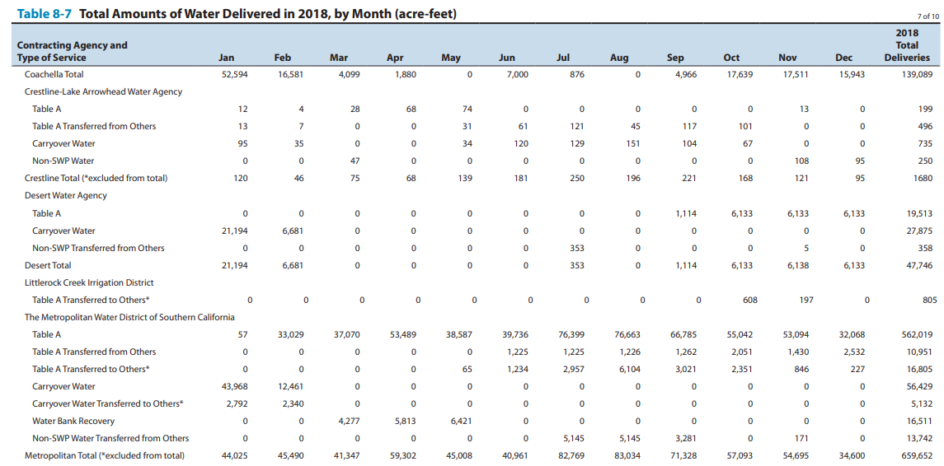

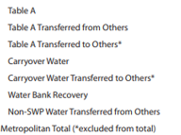
562019
10951
16805
56429 | 61561
5132
16511
13742
659652

Sheet3
78 | 2015 | 2015-03-02 | 20% | 382300 |  |  |  |  |  |  |  |  |  |  |  | max alloc south coast | 2500000
82 | 2016 | 2016-03-17 | 45% | 860175 |  | MED | allocation | socal | 2017 | 2018 |  |  |  |  |  | max alloc total | 4100000
83 | 2016 | 2016-04-21 | 60% | 1146900 |  | 1911500 | 669025 | 2629544 | 2235112.4 | 920340.4
86 | 2017 | 2017-01-18 | 60% | 1146900 |  |  |  |  | 2103635.2 | 1051817.6
87 | 2017 | 2017-04-14 | 85% | 1624775 |  | january | 23893.75
88 | 2017 | 2017-11-29 | 15% | 286725 | 23893.75 | february | 31858.333333
89 | 2018 | 2018-01-29 | 20% | 382300 | 31858.333333 | march
90 | 2018 | 2018-04-24 | 30% | 573450 | 47787.5 | april
91 | 2018 | 2018-05-21 | 35% | 669025 | 55752.083333 | may
 |  |  |  |  |  | june
 |  |  |  |  |  | july
 |  |  |  |  |  | august |  |  |  |  |  | MED
 |  |  |  |  |  | september |  |  |  |  |  |  |  |  | percent allocation | allocation from swp | total swp+non-swp
 |  |  |  |  |  | october |  |  |  |  |  | 2008 | 2008-02-01 | 35 | 0.35 | 669,025
 |  |  |  |  |  | november |  |  |  |  |  | 2009 | 2009-05-20 | 40 | 0.4 | 764,600
 |  |  |  |  |  | december |  |  |  |  |  | 2010 | 2010-06-22 | 50 | 0.5 | 955,750
 |  |  |  |  |  |  |  |  |  |  |  | 2011 | 2011-04-20 | 80 | 0.8 | 1,529,200
 |  |  |  |  |  |  |  |  |  |  |  | 2012 | 2012-05-23 | 65 | 0.65 | 1,242,475
 |  |  |  |  |  |  |  |  |  |  |  | 2013 | 2013-03-22 | 35 | 0.35 | 669,025
 |  |  |  |  |  |  |  |  |  |  |  | 2014 | 2014-04-18 | 5 | 0.05 | 95,575
 |  |  |  |  |  |  |  |  |  |  |  | 2015 | 2015-03-02 | 20 | 0.2 | 382,300
 |  |  |  |  |  |  |  |  |  |  |  | 2016 | 2016-04-21 | 60 | 0.6 | 1,146,900
 |  |  |  |  |  |  |  |  |  |  |  | 2017 | 2017-04-14 | 85 | 0.85 | 1,624,775
 |  |  |  |  |  |  |  |  |  |  |  | 2018 | 2018-05-21 | 35 | 0.35 | 669,025

 |  |  |  |  |  |  |  |  |  |  |  |  | this is approximate |  | table8-9
 |  |  |  |  |  |  |  |  |  |  | YEAR | ALLOCATION | table A | table A deliveries | total deliveries | total deliveries to SC | SWDI-delta
 |  |  |  |  |  |  |  |  |  |  | 1992 | 45 | 4138816 | 1,410,799 | 1,471,454 |  | 0.1
 |  |  |  |  |  |  |  |  |  |  | 1993 | 100 | 4138816 | 2,313,236 | 2,315,235 |  | 0.63333333333
 |  |  |  |  |  |  |  |  |  |  | 1994 | 50 | 4138816 | 1,749,351 | 1,861,976 |  | 0.24444444444
 |  |  |  |  |  |  |  |  |  |  | 1995 | 100 | 4138816 | 1,967,093 | 2,031,423 |  | 0.88888888889
 |  |  |  |  |  |  |  |  |  |  | 1996 | 100 | 4138816 | 2,514,824 | 2,543,472 | 888970 | 0.76666666667
 |  |  |  |  |  |  |  |  |  |  | 1997 | 100 | 4138816 | 2,260,383 | 2,405,444 | 1003254 | 0.63055555556
 |  |  |  |  |  |  |  |  |  |  | 1998 | 100 | 4138816 | 1,726,519 | 1,764,963 | 665746 | 0.94722222222
 |  |  |  |  |  |  |  |  |  |  | 1999 | 100 | 4138816 | 2,738,903 | 2,898,961 | 1,122,518 | 0.76388888889
annual allocation (%) - SWDI delta
 |  |  |  |  |  |  |  |  |  |  | 2000 | 90 | 4138816 | 3,172,407 | 3,569,072 | 1806449 | 0.62777777778
 |  |  |  |  |  |  |  |  |  |  | 2001 | 39 | 4138816 | 1,579,291 | 2,175,194 | 1,188,690 | 0.38333333333
 |  |  |  |  |  |  |  |  |  |  | 2002 | 70 | 4138816 | 2,634,672 | 2,909,555 | 1707251 | 0.46388888889
 |  |  |  |  |  |  |  |  |  |  | 2003 | 90 | 4138816 | 2,975,817 | 3,327,811 | 1,936,350 | 0.61111111111
 |  |  |  |  |  |  |  |  |  |  | 2004 | 65 | 4138816 | 2,644,787 | 3,230,590 | 2,007,533 | 0.51388888889
 |  |  |  |  |  |  |  |  |  |  | 2005 | 90 | 4138816 | 2,827,256 | 3,753,874 | 1,812,911 | 0.81111111111
 |  |  |  |  |  |  |  |  |  |  | 2006 | 100 | 4138816 | 2,973,349 | 3,693,938 | 1,931,312 | 0.89722222222
 |  |  |  |  |  |  |  |  |  |  | 2007 | 60 | 4138816 | 2,180,751 | 3,284,475 | 1,879,129 | 0.38055555556
 |  |  |  |  |  |  |  |  |  |  | 2008 | 35 | 4138816 | 1,244,240 | 2,152,219 | 1,160,430 | 0.23611111111
 |  |  |  |  |  |  |  |  |  |  | 2009 | 40 | 4138816 | 1,385,266 | 2,227,564 | 1,189,387 | 0.23055555556
 |  |  |  |  |  |  |  |  |  |  | 2010 | 50 | 4138816 | 2,010,672 | 2,836,927 | 1,783,847 | 0.57777777778
 |  |  |  |  |  |  |  |  |  |  | 2011 | 80 | 4138816 | 2,847,572 | 3,666,432 | 2,039,139 | 0.93055555556
 |  |  |  |  |  |  |  |  |  |  | 2012 | 65 | 4138816 | 2,593,699 | 2,881,783 | 1,730,433 | 0.48611111111
 |  |  |  |  |  |  |  |  |  |  | 2013 | 35 | 4138816 | 1,623,212 | 2,224,875 | 1,165,746 | 0.31388888889
 |  |  |  |  |  |  |  |  |  |  | 2014 | 5 | 4172256 | 475,533 | 1,242,286 | 481,804 | 0.072222222222
 |  |  |  |  |  |  |  |  |  |  | 2015 | 20 | 4172786 | 846,547 | 1,242,875 | 716,376 | 0.058333333333
 |  |  |  |  |  |  |  |  |  |  | 2016 | 60 | 4172786 | 2,021,891 | 2,359,869 | 1,380,482 | 0.3
 |  |  |  |  |  |  |  |  |  |  | 2017 | 85 | 4172786 | 3,103,773 | 3,770,268 | 2,129,362 | 0.85833333333
 |  |  |  |  |  |  |  |  |  |  | 2018 | 35 | 4172786 | 1,568,954 | 2,048,447 | 1,072,584 | 0.46111111111
 |  |  |  |  |  |  |  |  |  |  | 2019 | 75 |  |  |  |  | 0.79444444444
 |  |  |  |  |  |  |  |  |  |  | 2020 | 20 |  |  |  |  | 0.41111111111
 |  |  |  |  |  |  |  |  |  |  | 2021 | 5 |  |  |  |  | 0.11111111111
 |  |  |  |  |  |  |  |  |  |  | 2022 | 5 |  |  |  |  | 0.15555555556
 |  |  |  |  |  |  |  |  |  |  | 2023 | 100 |  |  |  |  | 0.85
 |  |  |  |  |  |  |  |  |  |  | 2024 | 40 |  |  |  |  | 0.52222222222
table A deliveries SWDI delta from 1992 to SWDI
table A deliveries SWDI delta from 2007 to 2018

table A deliveries SWDI delta from 2000 to 2018
table A deliveries SWDI delta from 19992 to 2006

allocations
allocation to SWDI
annual allocation to CY SWDI-delta
Year | Month | ALLOCATION | SWDI | reservoir_storage | allocation each year
1991 | 12 | 20 | 0.13333333333 | 10536413 | YEAR | ALLOCATION | CY SWDI-delta | WY SWDI-delta
1992 | 3 | 35 | 0.13333333333 | 13553335 | 1992 | 45 | 0.1 | 0.11944444444
1992 | 3 | 45 | 0.13333333333 | 13553335 | 1993 | 100 | 0.63333333333 | 0.48333333333
1992 | 12 | 10 | 0.1 | 8991272 | 1994 | 50 | 0.24444444444 | 0.34722222222
1993 | 1 | 25 | 0.26666666667 | 10004416 | 1995 | 100 | 0.88888888889 | 0.73055555556
1993 | 1 | 40 | 0.26666666667 | 10004416 | 1996 | 100 | 0.76666666667 | 0.775
1993 | 2 | 55 | 0.6 | 14763877 | 1997 | 100 | 0.63055555556 | 0.70555555556
1993 | 3 | 85 | 0.63333333333 | 17688901 | 1998 | 100 | 0.94722222222 | 0.83611111111
1993 | 4 | 100 | 0.73333333333 | 20303853 | 1999 | 100 | 0.76388888889 | 0.83611111111
1993 | 12 | 50 | 0.63333333333 | 18411910 | 2000 | 90 | 0.62777777778 | 0.64166666667
1994 | 2 | 50 | 0.26666666667 | 18764594 | 2001 | 39 | 0.38333333333 | 0.44444444444
1994 | 4 | 50 | 0.16666666667 | 19890319 | 2002 | 70 | 0.46388888889 | 0.46944444444
1994 | 5 | 50 | 0.23333333333 | 19934967 | 2003 | 90 | 0.61111111111 | 0.54722222222
1994 | 12 | 40 | 0.33333333333 | 12234341 | 2004 | 65 | 0.51388888889 | 0.55833333333
1995 | 1 | 60 | 0.5 | 13314798 | 2005 | 90 | 0.81111111111 | 0.70833333333
annual allocation to WY SWDI-delta
1995 | 1 | 100 | 0.5 | 13314798 | 2006 | 100 | 0.89722222222 | 0.88888888889
1995 | 12 | 75 | 0.8 | 20767864 | 2007 | 60 | 0.38055555556 | 0.53611111111
1996 | 3 | 90 | 0.76666666667 | 24298936 | 2008 | 35 | 0.23611111111 | 0.26944444444
1996 | 3 | 100 | 0.76666666667 | 24298936 | 2009 | 40 | 0.23055555556 | 0.20555555556
1996 | 12 | 70 | 0.96666666667 | 21225508 | 2010 | 50 | 0.57777777778 | 0.46944444444
1997 | 2 | 100 | 1 | 25069637 | 2011 | 80 | 0.93055555556 | 0.86944444444
1997 | 12 | 40 | 0.56666666667 | 17557947 | 2012 | 65 | 0.48611111111 | 0.59722222222
1998 | 1 | 60 | 0.66666666667 | 18795684 | 2013 | 35 | 0.31388888889 | 0.38333333333
1998 | 2 | 80 | 0.93333333333 | 21760726 | 2014 | 5 | 0.072222222222 | 0.10555555556
1998 | 3 | 100 | 0.93333333333 | 22896432 | 2015 | 20 | 0.058333333333 | 0.063888888889
1998 | 11 | 55 | 1 | 22724396 | 2016 | 60 | 0.3 | 0.22222222222
1999 | 2 | 60 | 0.86666666667 | 22963094 | 2017 | 85 | 0.85833333333 | 0.75555555556
1999 | 3 | 100 | 0.8 | 23599727 | 2018 | 35 | 0.46111111111 | 0.52777777778
1999 | 11 | 50 | 0.73333333333 | 18976963 | 2019 | 75 | 0.79444444444 | 0.725
2000 | 2 | 70 | 0.63333333333 | 21006450 | 2020 | 20 | 0.41111111111 | 0.50833333333
2000 | 3 | 100 | 0.73333333333 | 23677608 | 2021 | 5 | 0.11111111111 | 0.18055555556
2000 | 4 | 90 | 0.63333333333 | 24197053 | 2022 | 5 | 0.15555555556 | 0.13888888889
2000 | 12 | 40 | 0.6 | 18453007 | 2023 | 100 | 0.85 | 0.69722222222
2001 | 1 | 20 | 0.4 | 18482402 | 2024 | 40 | 0.52222222222 | 0.66111111111
2001 | 3 | 25 | 0.43333333333 | 20055152
2001 | 3 | 30 | 0.43333333333 | 20055152
2001 | 5 | 33 | 0.36666666667 | 22707062
2001 | 5 | 35 | 0.36666666667 | 22707062
2001 | 8 | 39 | 0.36666666667 | 17422176
2001 | 11 | 20 | 0.33333333333 | 13967732
2002 | 1 | 45 | 0.56666666667 | 17114640
2002 | 3 | 55 | 0.56666666667 | 20801203
2002 | 3 | 60 | 0.56666666667 | 20801203
2002 | 5 | 65 | 0.46666666667 | 23263399
2002 | 8 | 70 | 0.43333333333 | 18241192
2002 | 12 | 20 | 0.36666666667 | 14545461
2003 | 1 | 45 | 0.6 | 17386631
2003 | 3 | 50 | 0.4 | 20601025
2003 | 4 | 70 | 0.53333333333 | 22577123
2003 | 5 | 90 | 0.73333333333 | 24206742
2003 | 12 | 35 | 0.7 | 17726905
2004 | 1 | 50 | 0.86666666667 | 19044131
2004 | 3 | 65 | 0.6 | 22312658
2004 | 12 | 40 | 0.46666666667 | 15355520
2005 | 1 | 60 | 0.76666666667 | 16563685
2005 | 4 | 70 | 0.8 | 23293148
2005 | 4 | 80 | 0.8 | 23293148
2005 | 5 | 90 | 0.83333333333 | 24300150
2005 | 11 | 55 | 0.86666666667 | 20808708
2005 | 12 | 65 | 0.9 | 20754527
2006 | 1 | 70 | 0.96666666667 | 24425587
2006 | 3 | 80 | 0.83333333333 | 24595803
2006 | 4 | 100 | 0.96666666667 | 25160185
2006 | 11 | 60 | 0.9 | 21163371
2007 | 11 | 25 | 0.3 | 14108710
2008 | 2 | 35 | 0.43333333333 | 16070046
2008 | 10 | 15 | 0.16666666667 | 11760295
2009 | 3 | 20 | 0.16666666667 | 14465603
2009 | 4 | 30 | 0.23333333333 | 17862981
2009 | 5 | 40 | 0.2 | 18824921
2009 | 11 | 5 | 0.26666666667 | 13554234
2010 | 2 | 15 | 0.33333333333 | 16016097
2010 | 3 | 20 | 0.5 | 18098089
2010 | 4 | 30 | 0.66666666667 | 20294066
2010 | 5 | 40 | 0.7 | 22263105
2010 | 5 | 45 | 0.7 | 22263105
2010 | 6 | 50 | 0.53333333333 | 23102440
2010 | 11 | 25 | 0.63333333333 | 17980780
2010 | 12 | 50 | 0.83333333333 | 18305151
2011 | 1 | 60 | 0.93333333333 | 20855912
2011 | 3 | 70 | 0.9 | 22788075
2011 | 4 | 80 | 1 | 24251536
2011 | 11 | 60 | 0.96666666667 | 22066691
2012 | 2 | 50 | 0.36666666667 | 21344332
2012 | 4 | 60 | 0.5 | 23194044
2012 | 5 | 65 | 0.56666666667 | 25609727
2012 | 11 | 30 | 0.46666666667 | 15648390
2012 | 12 | 40 | 0.5 | 16167588
2013 | 3 | 35 | 0.36666666667 | 20480252
2013 | 11 | 5 | 0.2 | 12745087
2014 | 1 | 0 | 0.066666666667 | 12246520
2014 | 4 | 5 | 0.066666666667 | 14789989
2014 | 12 | 10 | 0.033333333333 | 9567862
2015 | 1 | 15 | 0.13333333333 | 12391631
2015 | 3 | 20 | 0.1 | 15403895
2015 | 12 | 10 | 0.066666666667 | 8774378
2016 | 1 | 15 | 0.2 | 9570373
2016 | 2 | 30 | 0.2 | 12958042
2016 | 3 | 45 | 0.2 | 14822251
2016 | 4 | 60 | 0.26666666667 | 19643657
2016 | 11 | 20 | 0.36666666667 | 14748821
2016 | 12 | 45 | 0.4 | 15611365
2017 | 1 | 60 | 0.83333333333 | 18320614
2017 | 4 | 85 | 0.9 | 24602227
2017 | 11 | 15 | 0.8 | 19609713
2018 | 1 | 20 | 0.33333333333 | 19804555
2018 | 4 | 30 | 0.4 | 23470060
2018 | 5 | 35 | 0.53333333333 | 25425878
2018 | 11 | 10 | 0.53333333333 | 16786368
2019 | 1 | 15 | 0.46666666667 | 17032880
2019 | 2 | 35 | 0.7 | 19607096
2019 | 3 | 70 | 0.96666666667 | 23485883
2019 | 6 | 75 | 0.8 | 26298882
2019 | 12 | 10 | 0.76666666667 | 18849044
2020 | 1 | 15 | 0.63333333333 | 20023060
2020 | 5 | 20 | 0.33333333333 | 22550371
2020 | 12 | 10 | 0.3 | 14827560
2021 | 3 | 5 | 0.13333333333 | 15656893
2021 | 12 | 0 | 0.2 | 11317235
2022 | 1 | 15 | 0.26666666667 | 13022407
2022 | 3 | 5 | 0.13333333333 | 14623680
2022 | 12 | 5 | 0.2 | 11063663
2023 | 1 | 30 | 0.53333333333 | 13497275
2023 | 2 | 35 | 0.83333333333 | 18603214
2023 | 3 | 75 | 0.93333333333 | 19782598
2023 | 4 | 100 | 1 | 23399815
2023 | 12 | 10 | 0.7 | 19465803
2024 | 2 | 15 | 0.53333333333 | 20904843
2024 | 3 | 30 | 0.56666666667 | 22408625

deliveries from each aqueduct
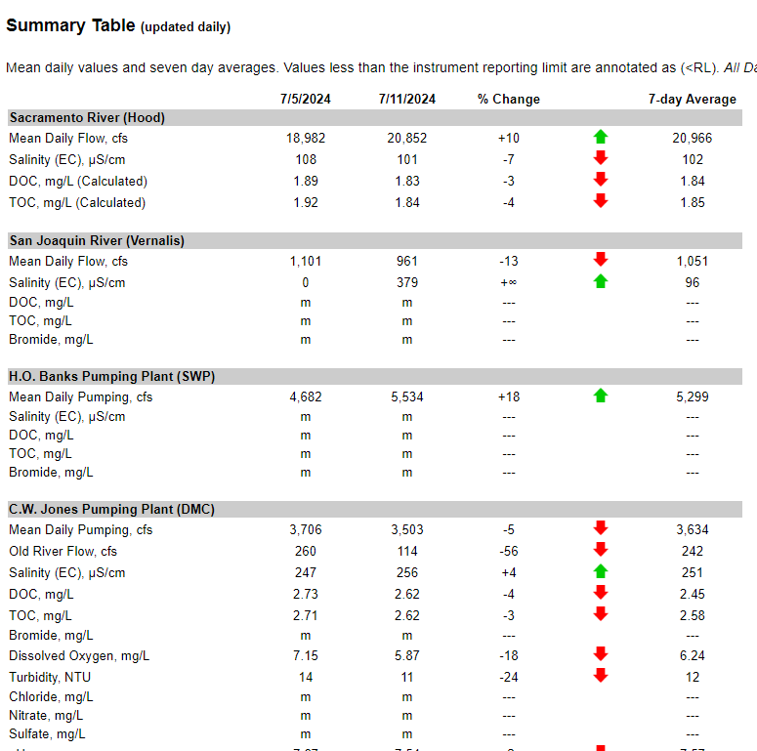
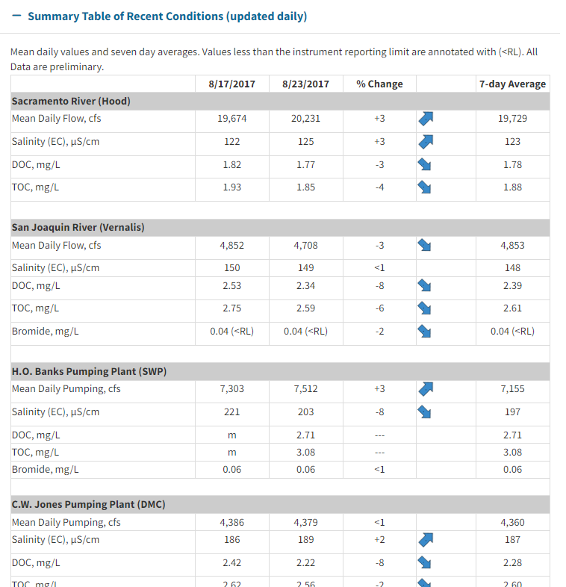
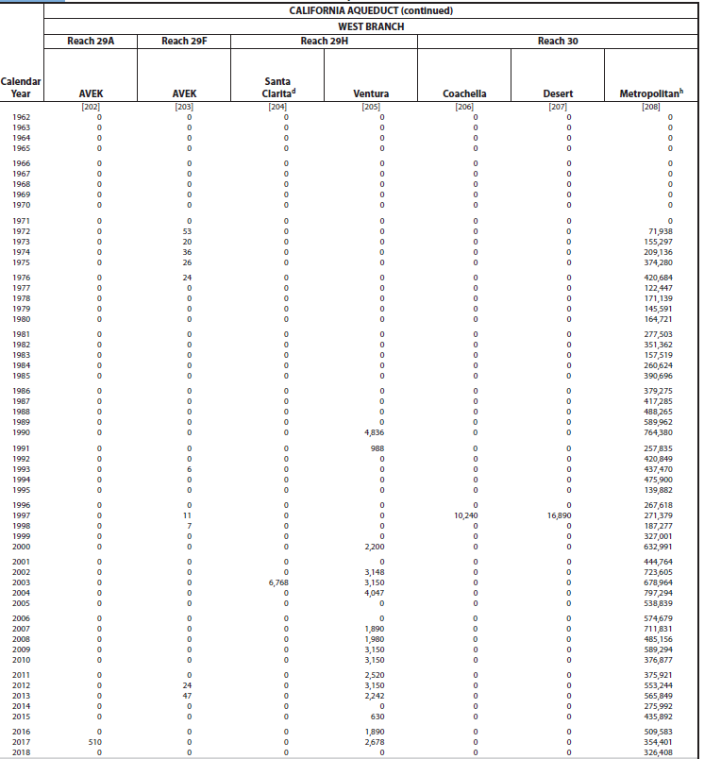
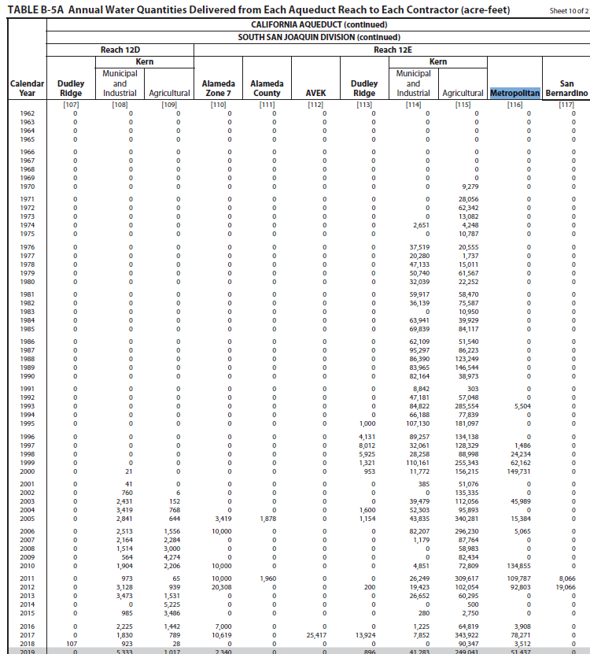
Division | Reach | Page Number |  | Branch | Region
San Luis | 3 | 376 | 420
San Luis | 3A | 377 | 421
San Luis | 5 | 378 | 422
South San Joaquin | 6 | 379 | 423
South San Joaquin | 7 | 379 | 423
South San Joaquin | 10A | 381 | 425
South San Joaquin | 11B | 382 | 426
South San Joaquin | 12E | 383 | 427
South San Joaquin | 13B | 384 | 428
South San Joaquin | 14C | 386 | 430
Mojave | 19 | 387 | 431 | East
Mojave | 20A | 387 | 431 | East
Santa Ana | 28G | 390 | 434 | East | Orange County
Santa Ana | 28H | 390 | 434 | East | Orange County
Santa Ana | 28J | 391 | 435 | East | Orange County
Santa Ana | EBX1 | 391 | 435 | East | Orange County
West Branch | 30 | 392 | 436 | West

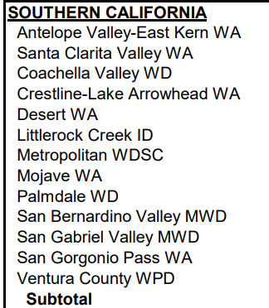
SoCal Contractors
AVEK
Santa Clarita
Coachella
Crestline
Desert
Littlerock
Metropolitan
Mojave
Palmdale
San Bernardino
San Gabriel
San Gorgonio
Ventura

https://rtdf.info/ |  |  |  |  |  | https://water.ca.gov/Programs/Integrated-Science-and-Engineering/Water-Quality-Monitoring-And-Assessment/RTDF-Summary

